Sheet1
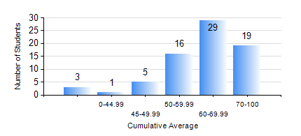
 |  |  | KWAME NKRUMAH UNIVERSITY OF SCIENCE AND TECHNOLOGY, KUMASI Department of Computer Engineering

 |  |  | BSC. BIOMEDICAL ENG.

 |  |  | COMPREHENSIVE RECORD OF EXAMINATION RESULTS

 |  |  | RESULTS OF YEAR 1 FIRST SEMESTER, 2019/2020 ACADEMIC YEAR

 | Sn | Course Code |  | Course Name | Credit Hours | Min. Mark | Max. Mark | Avg. Mark | Std. Dev. | No. Passed | No. Trailed | No. (Df) | No. (I) | No. (I*) | No. Tagged(I,I*,Df) | Total
 | 0. |  |  |  |  |  |  | 0 | 0 | 0 | 0 | 0 | 0 | 0 | 0 | 3
 | 1. | BME 161 |  | CELL BIOLOGY | 2 | 40 | 89 | 64 | 12.5 | 70 | 0 | 0 | 0 | 0 | 0 | 70
 | 2. | COE 153 |  | ENGINEERING TECHNOLOGY | 2 | 50 | 92 | 81 | 7.5 | 70 | 0 | 0 | 0 | 0 | 0 | 70
 | 3. | EE 151 |  | APPLIED ELECTRICITY | 3 | 42 | 95 | 70 | 14.44 | 70 | 0 | 0 | 0 | 0 | 0 | 70
 | 4. | ENGL 157 |  | COMMUNICATION SKILLS I | 2 | 41 | 81 | 64 | 7.55 | 70 | 0 | 0 | 0 | 0 | 0 | 70
 | 5. | MATH 151 |  | ALGEBRA | 4 | 40 | 85 | 61 | 11.04 | 70 | 0 | 0 | 0 | 0 | 0 | 70
 | 6. | ME 159 |  | TECHNICAL DRAWING | 2 | 15 | 89 | 62 | 15.54 | 66 | 4 | 0 | 0 | 0 | 0 | 70
 | 7. | ME 161 |  | BASIC MECHANICS | 3 | 26 | 87 | 53 | 13.99 | 65 | 4 | 0 | 1 | 0 | 1 | 70

